サンプル製品カタログ
 |  | ITEM
NAME | color |  | lady's or men's | WOVEN or KNIT | picture | Composition | packingNo.
men's shirt SAMPLE CLOTHES | C/#YELLOW | men's shirt SAMPLE CLOTHES | men's | WOVEN FABRIC | 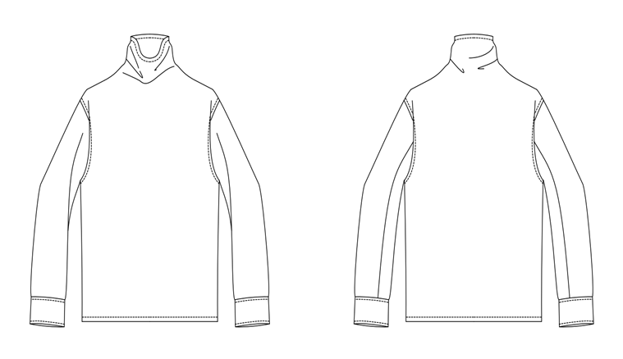 | COTTON100% | 9
men's wool pants SAMPLE CLOTHES | C/#BLACK | men's wool pants SAMPLE CLOTHES | men's | WOVEN FABRIC | 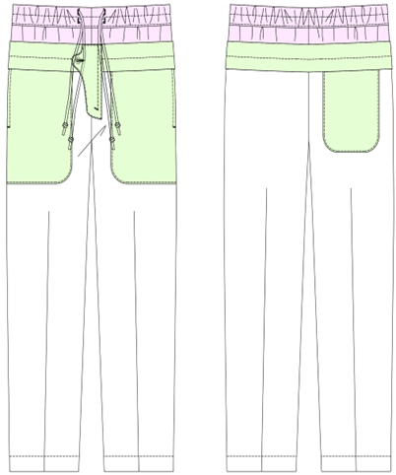 | FRONT WOOL100% | 9
lace motif sample | C/#WHITE | lace motif sample | men's | KNIT FABRIC | 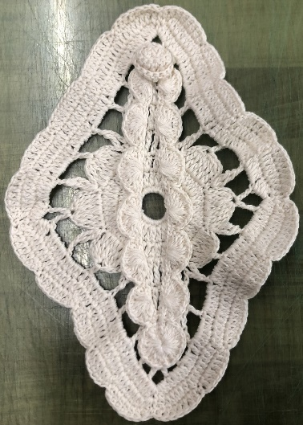 | COTTON100% | 10
lace motif sample | C/#WHITE | lace motif sample | men's | KNIT FABRIC |  | COTTON100% | 10

